TIMER0
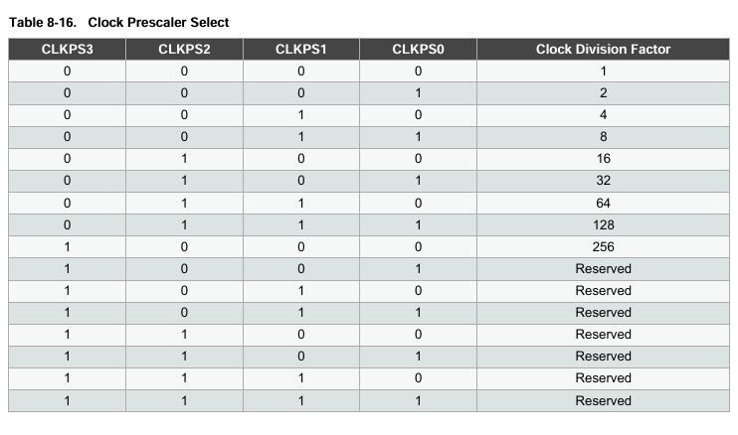
Timer Size (bits) | 8
System Clock Frequency (Hz) | 16000000
System Clock Prescaler | 16
Clock I/O Frequency (Hz) | 1000000
Clock I/O Prescaler | 1024
Desired delays (seg) | 0.005

Timer frequency (Hz) | 976.5625
Ticks (s) | 0.001024
Tiempo máximo (s) | 0.262144
Prescaler mínimo (s) | 19.53125

TCNT0 | 251.1171875
OCR0A | 4.8828125

TIMER1
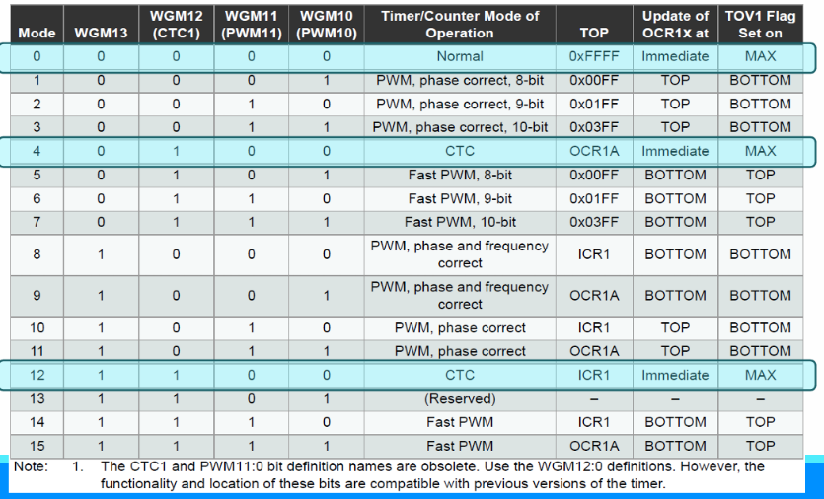
Timer Size (bits) | 16
System Clock Frequency (Hz) | 16000000
System Clock Prescaler | 16
Clock I/O Frequency (Hz) | 1000000
Clock I/O Prescaler | 1024
Desired delays (seg) | 60

Timer frequency (Hz) | 976.5625
Ticks (s) | 0.001024
Tiempo máximo (s) | 0.262144
Prescaler mínimo (s) | 915.52734375

TCNT0 | 6942.25
OCR0A | 3840000000

